WORKFLOW PLAN
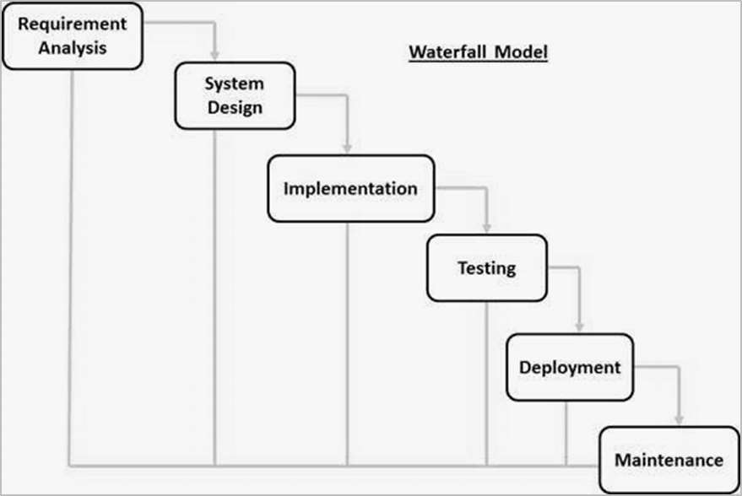
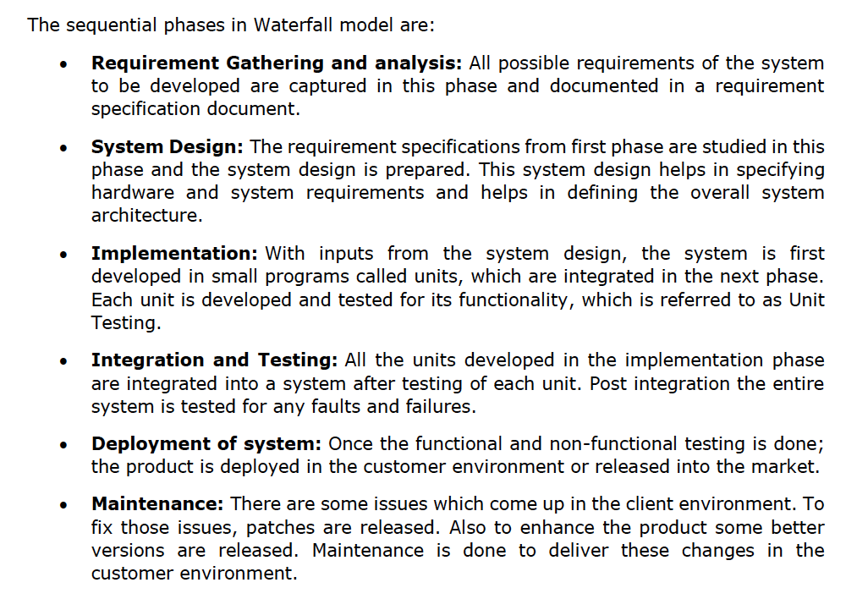
TEAM MEETINGS PLAN |  |  |  |  |  |  |  |  | ENTITIES LIST

DATE |  | TIME |  | TOPIC OF DISCUSSION |  |  |  |  | ID | NAME

2024-10-01 |  | 14:00 - 15:00 |  | Start Planning the week 3 to week 12 tasks and its time Estimation for conclusion, according to the workflow proposed by the Waterfall life cycle model. |  |  |  |  | 1 | Customer Profile - Fernando
2024-10-02 |  | 11:00 - 12:00 |  | Finish Planning the week 3 to week 12 tasks and its time Estimation for conclusion, according to the workflow proposed by the Waterfall life cycle mode. |  |  |  |  | 2 | Delivery Person - Fernando
2024-10-03 |  | 13:00 - 14:00 |  | Review Planning and Estimation Time of the tasks for next week, Set Branches. |  |  |  |  | 3 | Order Book - Patrick
2024-10-07 |  | 14:00 - 15:00 |  | Planning UMLs |  |  |  |  | 4 | Delivery Docket (Persona -> Newsagent) - Patrick
2024-10-08 |  | 15:00 - 16:00 |  | Starting to build UMLs. |  |  |  |  | 5 | Monthly invoice - Kasandra
2024-10-10 |  | 13:00 - 15:00 |  | Starting Skeletons for all Entities Classes and Methods |  |  |  |  | 6 | Publication - Khai
2024-10-14 |  | 12:00 - 13:00 |  | Finishing Skeletons |  |  |  |  | 7 | Delivery Area - Khai
2024-10-15 |  | 15:00 - 16:00 |  | Database Development Planning |  |  |  |  | 8 | Warning Letter - Kasandra
2024-10-16 |  | 12:30 - 13:30 |  | Database Development |  |  |  |  | 9 | Daily Summary Report - Whole Team
2024-10-17 |  | 13:00 - 14:00 |  | Review Skeletons and Database |  |  |  |  | 10 | Delivery Docket (Persona -> Delivery Person) - Whole Team
2024-10-21 |  | - |  | Starting Test design + JUnits development + failing / Database Connectivity + CRUD Development |  |  |  |  | 11 | News Agent Credentials - Whole Team
2024-10-22 |  | 15:00 - 16:00 |  | Test design + JUnits development + failing / Database Connectivity + CRUD Development
2024-10-23 |  | - |  | Test design + JUnits development + failing / Database Connectivity + CRUD Development
2024-10-24 |  | 13:00 - 14:00 |  | Ending Test design + JUnits development + failing / Database Connectivity + CRUD Development

 |  |  |  |  |  |  |  | TEAM WORKFLOW PLAN
WEEK | MONDAY |  | THURSDAY |  | FRIDAY |  | ESTIMATE TIME | TASKS |  |  | ENTITIES ID | MEMBER | STATUS | COMMENTS

 | START DATE |  | REVIEW DATE |  | DELIVERY DATE |  | HOURS/DAYS

1 | 2024-09-23 |  | 2024-09-26 |  | 2024-09-27 |  | - | User Story and Acceptance Criteria - Entities 9, 10 , 11 |  |  | 9, 10 , 11 | KASANDRA | OK | -
 |  |  |  |  |  |  | - | User Story and Acceptance Criteria - Entities 6, 7, 8 |  |  | 6, 7, 8 | KAI | OK | -
 |  |  |  |  |  |  | - | User Story and Acceptance Criteria - Entities 3, 4, 5 |  |  | 3, 4, 5 | PATRICK | OK | -
 |  |  |  |  |  |  | - | User Story and Acceptance Criteria - Entities 1, 2, 12(Delivery Person) |  |  | 1, 2, 12(DELIVERY PERSON) | FERNANDO | OK | -
 |  |  |  |  |  |  | - | Organize ourselves as a team and separate Entities for each team member to make User Story and Accepatance Criteria |  |  | TEAM | TEAM | OK | -

2 | 2024-09-30 |  | 2024-10-03 |  | 2024-10-04 |  | - | Update the document in the project's shared folder with the new notes taken during the class. |  |  | TEAM | KASANDRA | OK | -
 |  |  |  |  |  |  | - | Finish User Story and Acceptance Criteria - Entities 6, 7, 8 |  |  | TEAM | KAI | OK | -
 |  |  |  |  |  |  | - | Setting GitHub Repository for the Team and Add Colaborators to the Repo |  |  | TEAM | PATRICK | OK | Repository Name: SoftProject
 |  |  |  |  |  |  | - | Prepare the Structure for Planning Workflow records and control |  |  | TEAM | FERNANDO | OK | -
 |  |  |  |  |  |  | - | Week 3 Estimation of the time for each task to be concluded separating them by Entities UML Diagram |  |  | TEAM | TEAM | OK | -

3 | 2024-10-07 |  | 2024-10-10 |  | 2024-10-11 |  | 3 HOURS (1 PER ENTITY+REVIEW) | UML Design for the two entities you are responsable for + Start Skeleton for Entities Test class / methods |  |  | TEAM | KASANDRA | OK | -
 |  |  |  |  |  |  | 3 HOURS (1 PER ENTITY+REVIEW) | UML Design for the two entities you are responsable for + Start Skeleton for Entities Test class / methods |  |  | TEAM | KAI | OK | -
 |  |  |  |  |  |  | 3 HOURS (1 PER ENTITY+REVIEW) | UML Design for the two entities you are responsable for + Start Skeleton for Entities Test class / methods |  |  | TEAM | PATRICK | OK | -
 |  |  |  |  |  |  | 3 HOURS (1 PER ENTITY+REVIEW) | UML Design for the two entities you are responsable for + Start Skeleton for Entities Test class / methods |  |  | TEAM | FERNANDO | OK | As a sugestion -> https://app.diagrams.net
 |  |  |  |  |  |  | 3 HOURS (1 PER ENTITY+REVIEW) | UML Design for the two entities you are responsable for + Start Skeleton for Entities Test class / methods |  |  | TEAM | TEAM | OK | Once we got Logical UML done, we decided on writing simple skeleton for our program already

4 | 2024-10-14 |  | 2024-10-17 |  | 2024-10-18 |  | 3 HOURS (1 PER ENTITY+REVIEW) | Skeletons completition for classes/methods + Database development |  |  | 5, 8 | KASANDRA | OK | If DB will take longer than planned, we can start on JUnits next week +1hr each task
 |  |  |  |  |  |  | 3 HOURS (1 PER ENTITY+REVIEW) | Skeletons completition for classes/methods + Database development |  |  | 6, 7 | KAI | OK | -
 |  |  |  |  |  |  | 3 HOURS (1 PER ENTITY+REVIEW) | Skeletons completition for classes/methods + Database development |  |  | 3, 4 | PATRICK | OK | -
 |  |  |  |  |  |  | 3 HOURS (1 PER ENTITY+REVIEW) | Skeletons completition for classes/methods + Database development |  |  | 1, 2 | FERNANDO | OK | -
 |  |  |  |  |  |  | 3 HOURS (1 PER ENTITY+REVIEW) | Skeletons completition for classes/methods + Database development |  |  | 9, 10, 11 | TEAM | OK | -

5 | 2024-10-21 |  | 2024-10-24 |  | 2024-10-25 |  | 3 HOURS (1 PER ENTITY+REVIEW) | Test design + JUnits development + failing |  |  | TWO BY TASK | KASANDRA | OK | If JUnits take more time, we can start on command line design week after+1hr each
 |  |  |  |  |  |  | 3 HOURS (1 PER ENTITY+REVIEW) | Database Connectiom + CRUD Development |  |  | TWO BY TASK | KAI | OK | -
 |  |  |  |  |  |  | 3 HOURS (1 PER ENTITY+REVIEW) | Test design + JUnits development + failing |  |  | TWO BY TASK | PATRICK | OK | -
 |  |  |  |  |  |  | 3 HOURS (1 PER ENTITY+REVIEW) | Database Connectiom + CRUD Development |  |  | TWO BY TASK | FERNANDO | OK | Not sure, but I will use command line(IDE Console) as a simulaton of the front-end
 |  |  |  |  |  |  | 3 HOURS (1 PER ENTITY+REVIEW) | Review |  |  | TEAM | TEAM | OK

6 | 2024-10-28 |  | 2024-10-31 |  | 2024-11-01 |  | 3 HOURS (1 PER ENTITY+REVIEW) | Command line development - Frontend |  |  | TWO BY TASK | KASANDRA | OK | If CLN take more time, we can start on PE week after+1hr each
 |  |  |  |  |  |  | 3 HOURS (1 PER ENTITY+REVIEW) | Processing engine - Backend |  |  | TWO BY TASK | KAI | OK | -
 |  |  |  |  |  |  | 3 HOURS (1 PER ENTITY+REVIEW) | Command line development - Frontend |  |  | TWO BY TASK | PATRICK | OK | -
 |  |  |  |  |  |  | 3 HOURS (1 PER ENTITY+REVIEW) | Processing engine - Backend |  |  | TWO BY TASK | FERNANDO | OK | -
 |  |  |  |  |  |  | 3 HOURS (1 PER ENTITY+REVIEW) | Command line development + Processing engine - Frontend + Backend |  |  | TEAM | TEAM | OK | -

7 | 2024-11-04 |  | 2024-11-07 |  | 2024-11-08 |  | 3 HOURS (1 PER ENTITY+REVIEW) | Command line development - Frontend |  |  | TWO BY TASK | KASANDRA | OK | -
 |  |  |  |  |  |  | 3 HOURS (1 PER ENTITY+REVIEW) | Processing engine - Backend |  |  | TWO BY TASK | KAI | OK | -
 |  |  |  |  |  |  | 3 HOURS (1 PER ENTITY+REVIEW) | Command line development - Frontend |  |  | TWO BY TASK | PATRICK | OK | -
 |  |  |  |  |  |  | 3 HOURS (1 PER ENTITY+REVIEW) | Processing engine - Backend |  |  | TWO BY TASK | FERNANDO | OK | -
 |  |  |  |  |  |  | 3 HOURS (1 PER ENTITY+REVIEW) | Command line development + Processing engine - Frontend + Backend |  |  | TEAM | TEAM | OK | -

8 | 2024-11-11 |  | 2024-11-14 |  | 2024-11-15 |  | 3 HOURS (1 PER ENTITY+REVIEW) | Starting Integration, Testing, Bug Fixing - Frontend + Backend + Database AND Reflection Document |  |  | TEAM | KASANDRA | OK | -
 |  |  |  |  |  |  | 3 HOURS (1 PER ENTITY+REVIEW) | Starting Integration, Testing, Bug Fixing - Frontend + Backend + Database AND Reflection Document |  |  | TEAM | KAI | OK | -
 |  |  |  |  |  |  | 3 HOURS (1 PER ENTITY+REVIEW) | Starting Integration, Testing, Bug Fixing - Frontend + Backend + Database AND Reflection Document |  |  | TEAM | PATRICK | OK | -
 |  |  |  |  |  |  | 3 HOURS (1 PER ENTITY+REVIEW) | Starting Integration, Testing, Bug Fixing - Frontend + Backend + Database AND Reflection Document |  |  | TEAM | FERNANDO | OK | -
 |  |  |  |  |  |  | 3 HOURS (1 PER ENTITY+REVIEW) | Starting Integration, Testing, Bug Fixing - Frontend + Backend + Database AND Reflection Document |  |  | TEAM | TEAM | OK | -

9 | 2024-11-18 |  | 2024-11-21 |  | 2024-11-22 |  | 3 HOURS (1 PER ENTITY+REVIEW) | Finishing Integration, Testing, Bug Fixing - Frontend + Backend + Database AND Reflection Document |  |  | TEAM | KASANDRA | OK | -
 |  |  |  |  |  |  | 3 HOURS (1 PER ENTITY+REVIEW) | Finishing Integration, Testing, Bug Fixing - Frontend + Backend + Database AND Reflection Document |  |  | TEAM | KAI | OK | -
 |  |  |  |  |  |  | 3 HOURS (1 PER ENTITY+REVIEW) | Finishing Integration, Testing, Bug Fixing - Frontend + Backend + Database AND Reflection Document |  |  | TEAM | PATRICK | OK | -
 |  |  |  |  |  |  | 3 HOURS (1 PER ENTITY+REVIEW) | Finishing Integration, Testing, Bug Fixing - Frontend + Backend + Database AND Reflection Document |  |  | TEAM | FERNANDO | OK | -
 |  |  |  |  |  |  | 3 HOURS (1 PER ENTITY+REVIEW) | Finishing Integration, Testing, Bug Fixing - Frontend + Backend + Database AND Reflection Document |  |  | TEAM | TEAM | OK | -

10 | 2024-11-25 |  | 2024-11-28 |  | 2024-11-29 |  | - | Final Adjustments + Project delivery |  |  | TEAM | KASANDRA | OK | -
 |  |  |  |  |  |  | - | Final Adjustments + Project delivery |  |  | TEAM | KAI | OK | -
 |  |  |  |  |  |  | - | Final Adjustments + Project delivery |  |  | TEAM | PATRICK | OK | -
 |  |  |  |  |  |  | - | Final Adjustments + Project delivery |  |  | TEAM | FERNANDO | OK | -
 |  |  |  |  |  |  | - | Final Adjustments + Project delivery |  |  | TEAM | TEAM | OK | -

 |  |  |  |  |  | WATERFALL LIFE CYCLE MODEL

